Resultados Pareados
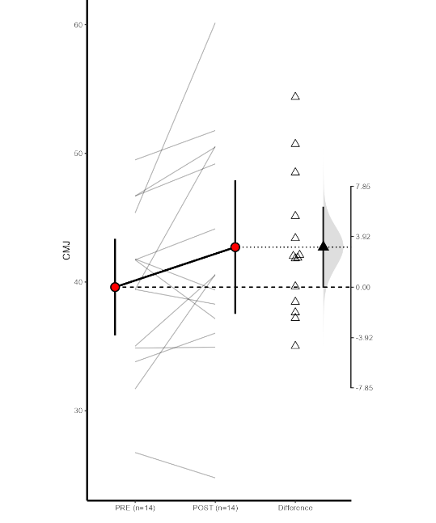
CMR - caffeine mouth rinse

Compare Two Means
 |  | 95 % CI
Condition | M | Lower | Upper | s | N
Post-CMJ | 42.71 | 37.5247 | 47.9 | 8.99 | 14
Pre-CMJ | 39.61 | 35.8507 | 43.37 | 6.51 | 14
Difference | 3.11 | -0.0378 | 6.25 | 5.45 | 14

t-table
t | df | p
2.13 | 13 | 0.0524

Standardized Mean Difference
davg = 0.38 95% CI [0.005, 0.78] Note that the standardized effect size is d_avg because the denominator used was SDavg which had a value of 7.85 The standardized effect size has been corrected for bias.The bias-corrected version of Cohen's d is sometimes also (confusingly) called Hedges' g.

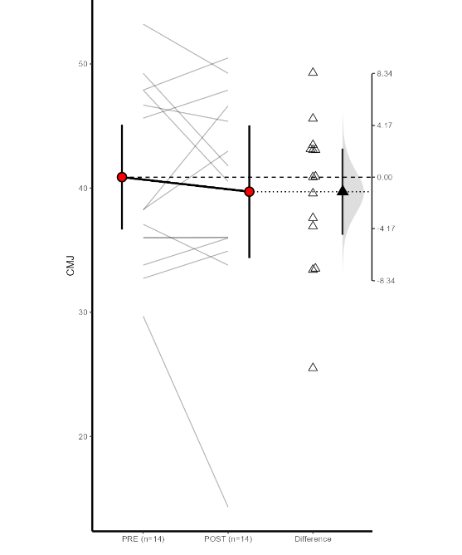
Caffeine Chewing Gum

Compare Two Means
 |  | 95 % CI
Condition | M | Lower | Upper | s | N
Post-CMJ | 39.72 | 34.37 | 45.06 | 9.26 | 14
Pre-CMJ | 40.89 | 36.67 | 45.11 | 7.31 | 14
Difference | -1.17 | -4.64 | 2.3 | 6.01 | 14

t-table
t | df | p
-0.728 | 13 | 0.479

Standardized Mean Difference
davg = -0.14 95% CI [-0.53, 0.23] Note that the standardized effect size is d_avg because the denominator used was SDavg which had a value of 8.34 The standardized effect size has been corrected for bias.The bias-corrected version of Cohen's d is sometimes also (confusingly) called Hedges' g.

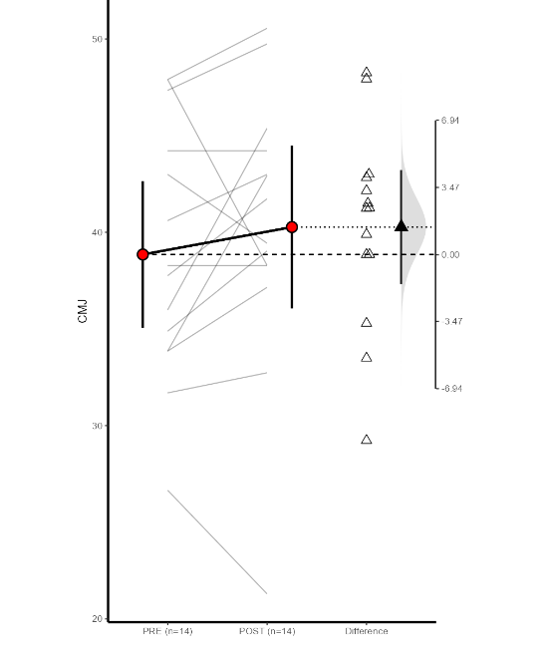
Caffeine Capsules

Compare Two Means
 |  | 95 % CI
Condition | M | Lower | Upper | s | N
Post-CMJ | 40.27 | 36.06 | 44.47 | 7.29 | 14
Pre-CMJ | 38.85 | 35.06 | 42.64 | 6.57 | 14
Difference | 1.42 | -1.54 | 4.37 | 5.12 | 14

t-table
t | df | p
1.04 | 13 | 0.319

Standardized Mean Difference
davg = 0.20 95% CI [-0.19, 0.62] Note that the standardized effect size is d_avg because the denominator used was SDavg which had a value of 6.94 The standardized effect size has been corrected for bias.The bias-corrected version of Cohen's d is sometimes also (confusingly) called Hedges' g.

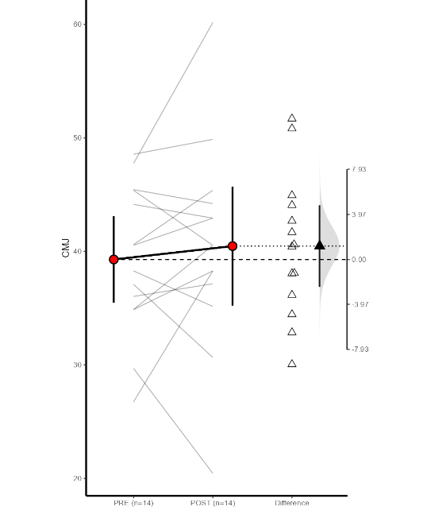
Placebo

Compare Two Means
 |  | 95 % CI
Condition | M | Lower | Upper | s | N
Post-CMJ | 40.47 | 35.22 | 45.71 | 9.08 | 14
Pre-CMJ | 39.29 | 35.48 | 43.09 | 6.59 | 14
Difference | 1.18 | -2.42 | 4.78 | 6.23 | 14

t-table
t | df | p
0.707 | 13 | 0.492

Standardized Mean Difference
davg = 0.14 95% CI [-0.25, 0.56] Note that the standardized effect size is d_avg because the denominator used was SDavg which had a value of 7.93 The standardized effect size has been corrected for bias.The bias-corrected version of Cohen's d is sometimes also (confusingly) called Hedges' g.

